COMMUTE BASED SALE
Row Labels | Count of Purchased Bike
5-10 Miles | 192
0-1 Miles | 366
10+ Miles | 111
1-2 Miles | 169
2-5 Miles | 162
Grand Total | 1000

AVG INCOME GENDER WISE SALE
Average of Income | Column Labels
Row Labels | No | Yes | Grand Total
F | 53440 | 55774 | 54581
M | 56208 | 60124 | 58063
Grand Total | 54875 | 57963 | 56360

REGION WISE SALE
Row Labels | Count of Purchased Bike
Europe | 300
North America | 508
Pacific | 192
Grand Total | 1000

GENDER WISE SALE
Count of Gender | Column Labels
Row Labels | F | M | Grand Total
Yes | 239 | 242 | 481
No | 250 | 269 | 519
Grand Total | 489 | 511 | 1000

Sheet2
Bike Purchased by Age groups
Row Labels | Count of Purchased Bike
25-31 | 135
32-54 | 676
55-89 | 189
Grand Total | 1000

AGE BRACKET WISE SALE
Bike purchased
Row Labels | Count of Purchased Bike
25-31 | 135
32-54 | 676
55-89 | 189
Grand Total | 1000

DASHBOARD
Bike Purchased by Age groups
 | Total
25-31 | 135
32-54 | 676
55-89 | 189
 | No | Yes
F | 53440 | 55774
M | 56208.178439 | 60124
BIKE SALE ANALYSIS

 | Total
5-10 Miles | 192
0-1 Miles | 366
10+ Miles | 111
1-2 Miles | 169
2-5 Miles | 162

 | Total
Europe | 300
North America | 508
Pacific | 192

rough
income vs age
Row Labels | Average of Income
25-31 | 35630
32-54 | 59571
55-89 | 59683
Grand Total | 56360

subjective
1. How does the sales performance vary across different regions or locations?

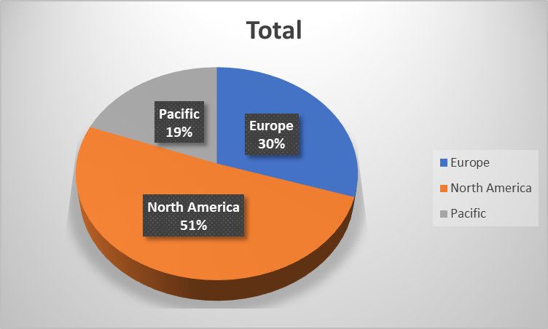

2. What is the average age of customers who purchased bikes or did not purchased bikes?

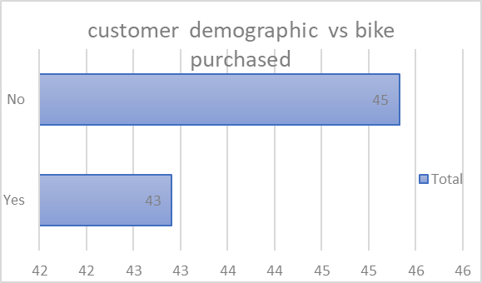

3. Are there any correlations between customer demographics (such as age or gender) and the type of bike purchased?

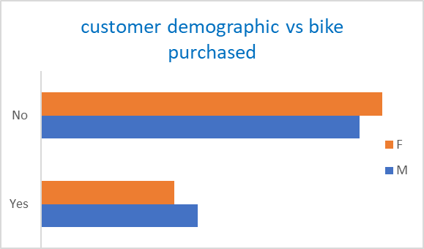

4. How does commute distance vary between different regions?

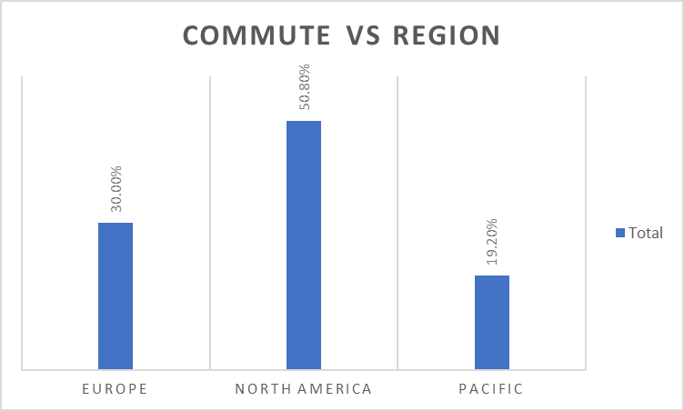

5. IS there any correlation between Age and Income of individuals.

